ANALYSIS
I. Gotbucks |  |  | CURRENT PORTFOLIO REPORT -- ANNUALIZED |  |  |  |  |  | version 3.14
31-Dec-22 | December 31 of previous year |  |  |  | Previous year end close | Current Close
30-Nov-23 | Month end date from recent Broker Statement |  |  |  |  |  |  |  | CAUTION:
ENTER NOTHING IN WHITE OR GREEN CELLS |  |  |  |  |  |  | Percent Change |  | Enter nothing in
CAUTION: It is possible to erase vital formulas. If strange behavior or error messages are seen download a new spreadsheet. |  | DJI |  | DOW JONES ETF >>> | 33,147 | 35,951 | 8.5% | YTD | White or Green cells
 |  | SPY | S&P 500 ETF >>> |  | 377 | 455 | 20.7% | YTD | They may contain formulas
 |  | PORTFOLIO ANNUALIZED RETURN FOR THIS PERIOD |  |  |  |  | 8.1% | YTD
See Closing Price Instructions
See General Instructions
 |  | End of prior year balance |  | 10,000
 |  | Ending Balance this month |  | 16,000
Month | Paid In | Withdrawal | Balance
31-Dec-22 |  |  | 10,000 | Bummer - You underperformed the market average
Jan-23 |  |  | 0
Feb-23 |  |  | 0
Mar-23 |  |  | 0
Apr-23 |  |  | 0
May-23 |  |  | 0 | Oops, Paid In and Withdrawal balance is greater than 10% of Total Value
Jun-23 | 5,000 |  | 5,000 | 5,000.00 | 50.00%
Jul-23 |  |  | 0
Aug-23 |  |  | 0
Sep-23 |  |  | 0
Oct-23 |  |  | 0
Nov-23 |  |  | 0
Dec-23 |  |  | 0
Dec-23 | CAUTION Enter data only in the yellow cells

The accuracy in comparing the market average to your return is considered to be reasonably accurate if the amount paid in during the analysis period is less than 10% in comparison to the total value.
This spreadsheet is not "Protected". Formulas can be changed or deleted inadvertently. Also there are hidden data. If you observe strange behavior, close the spreadsheet without saving and open a new copy.

INSTRUCTIONS
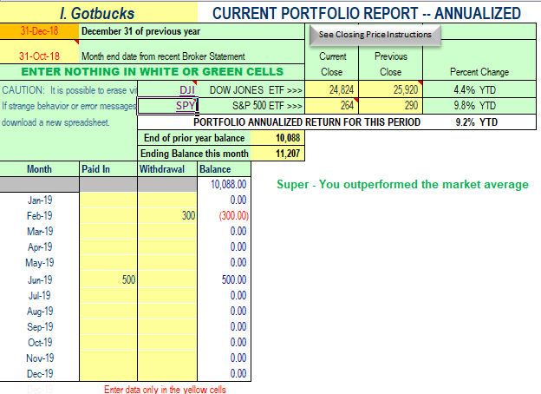

Enter the name of your portfolio
THE FOLLOWING DATA IS TAKEN FROM YOUR BROKER'S STATEMENT
Enter December 31,XX of the prior year being analyzed
Enter the closing date shown on the broker statement used for this months analysis
Click on the link to get DJIA and S&P 500 value at end of the current period for Total Value.
Enter the balance at the end of the prior year.
Enter the balance at the end of the current year, or the balance at the end of each month if you want to see how you're doing each month.
Enter any amounts paid into or withdrawn from the account each month.

TO REMOVE OLD DATA: Select data in yellow cells and press the Delete key.

Click to Return to Analysis Sheet

Click here to return to Analysis page

Closing price Instructions
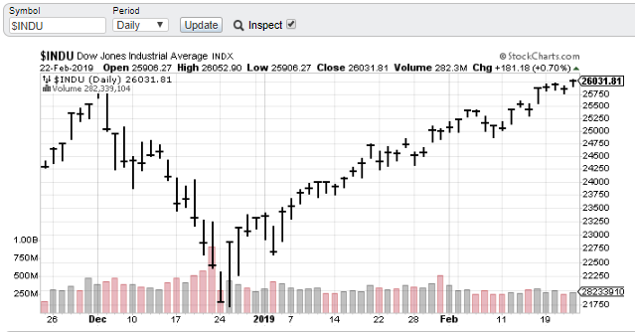
When on the StockCharts.com site, follow the two steps below. The example shown is the closing price of 290.31 for August 31 2018. (Notice where the two gray lines cross. That's where the cursor is located.)
Click to Return to Analysis Sheet
1. Click on the "Inspect" box to put a check mark in the box.
2. Move the cursor over the display of values to find the period ending date.
3. A box will appear which contains several prices for that date.
Use the Closing Price, identified as "C" in the box, on the Analysis sheet.

